DOM to code
 | Llama scout |  |  |  | Qwen

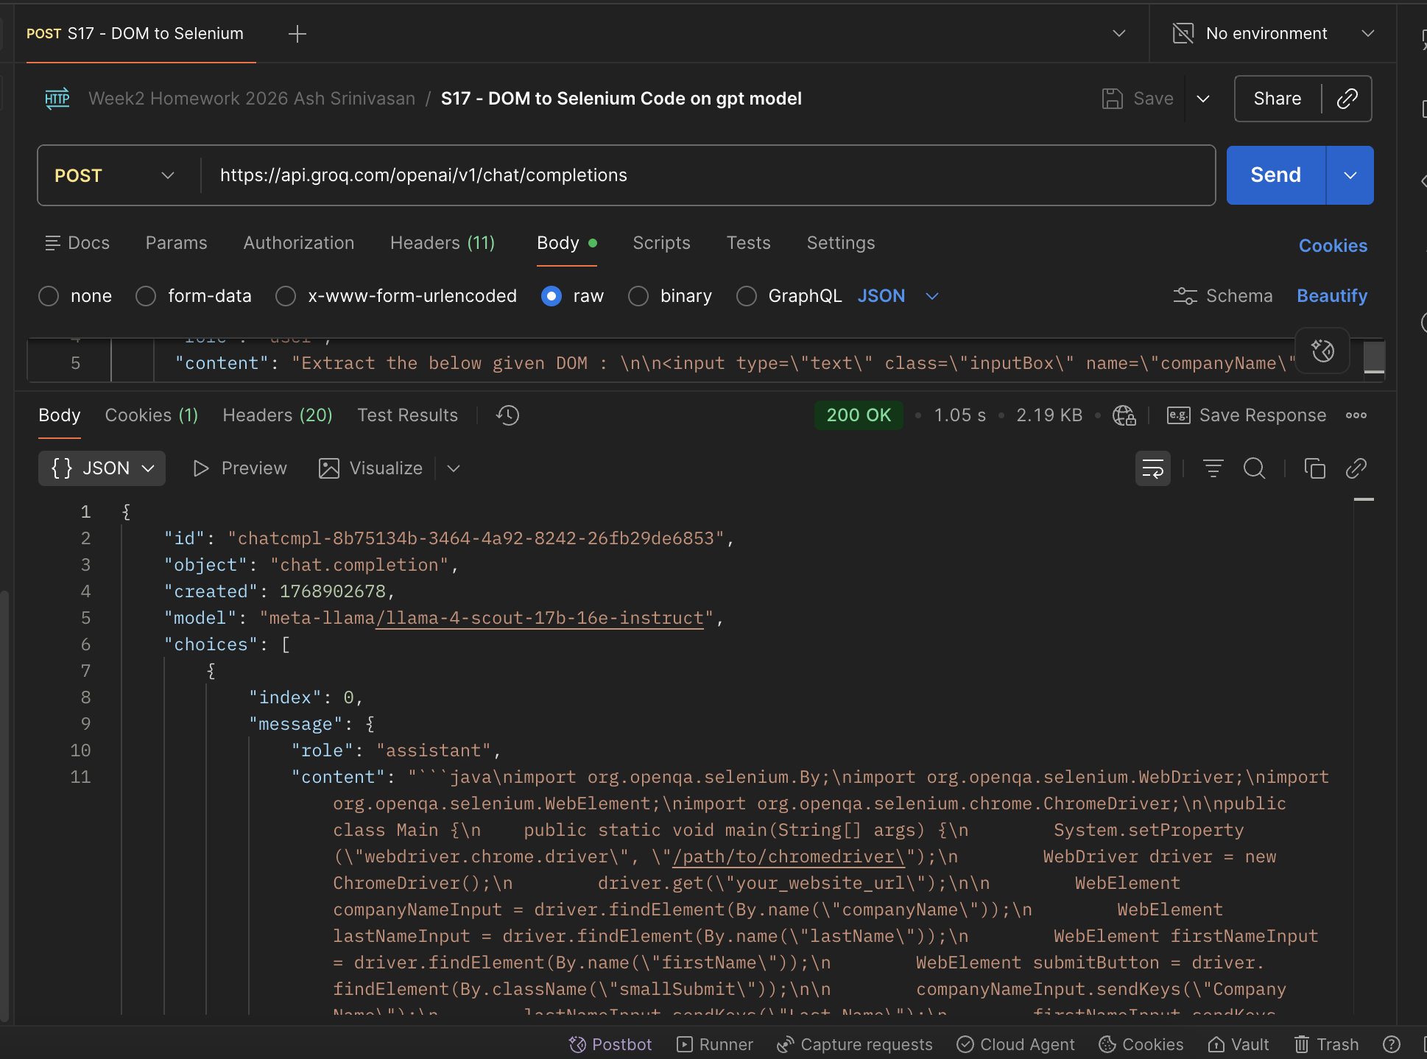
 |  | Request |  |  | Request
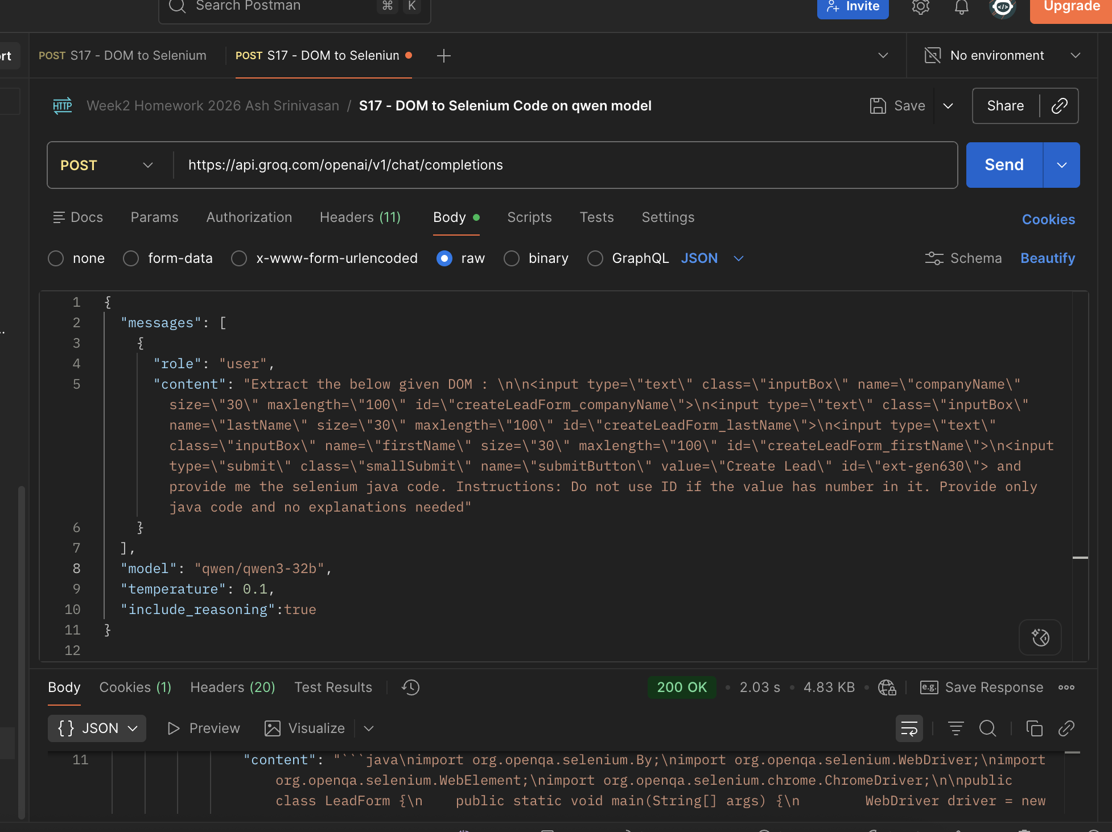

 | Response |  |  |  | Response
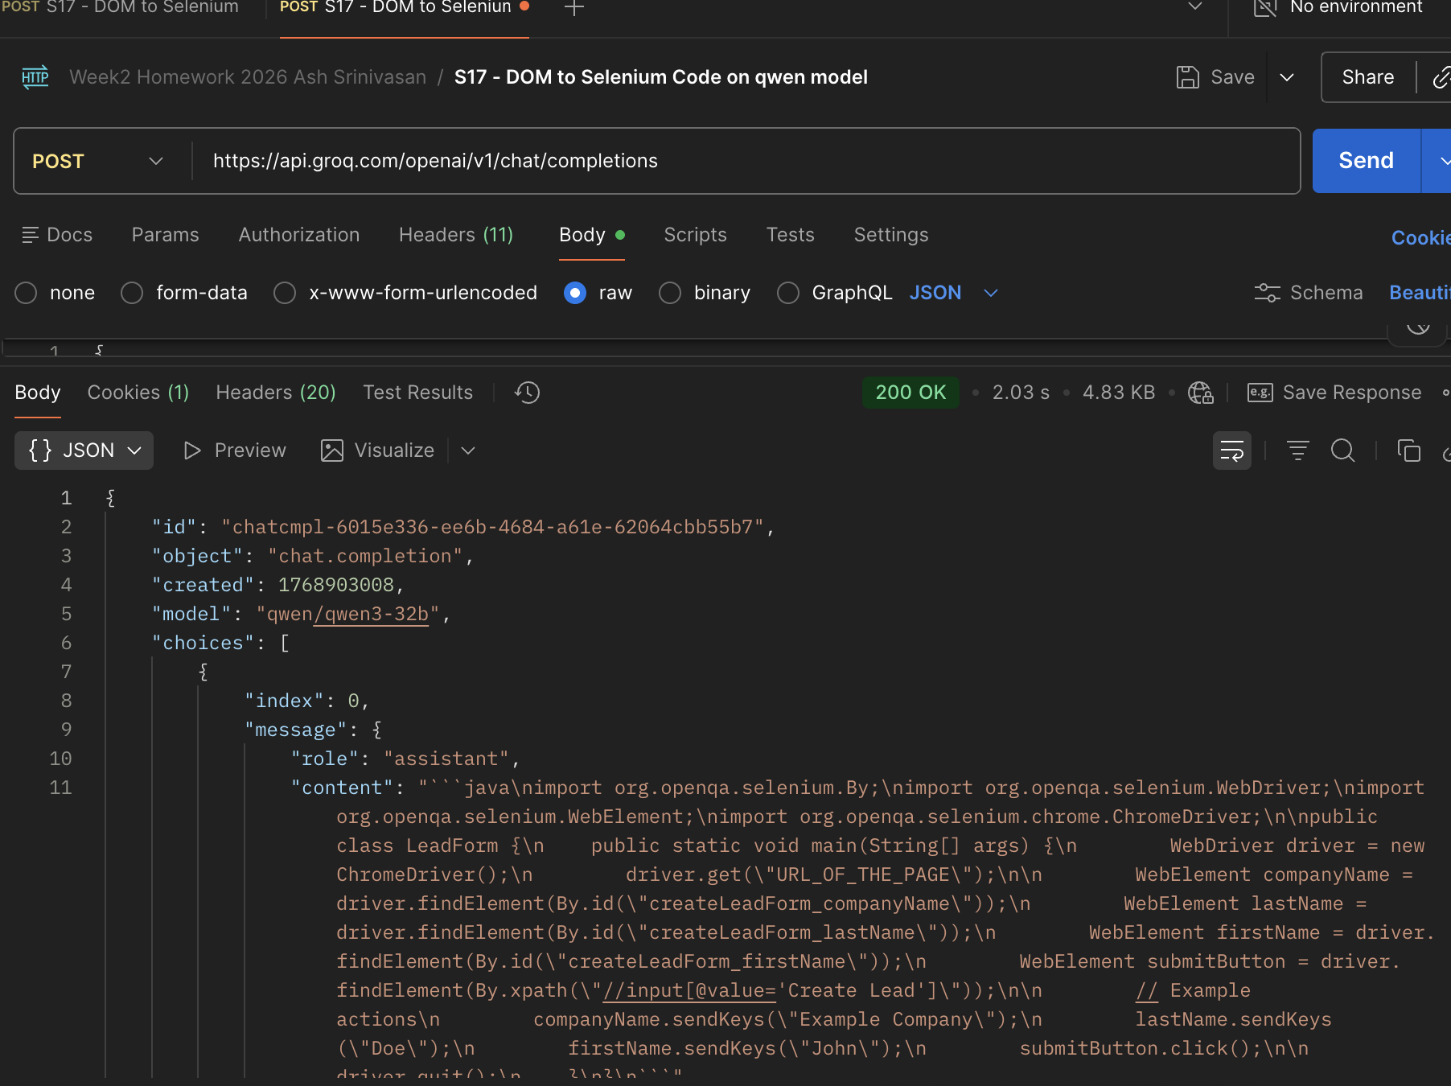
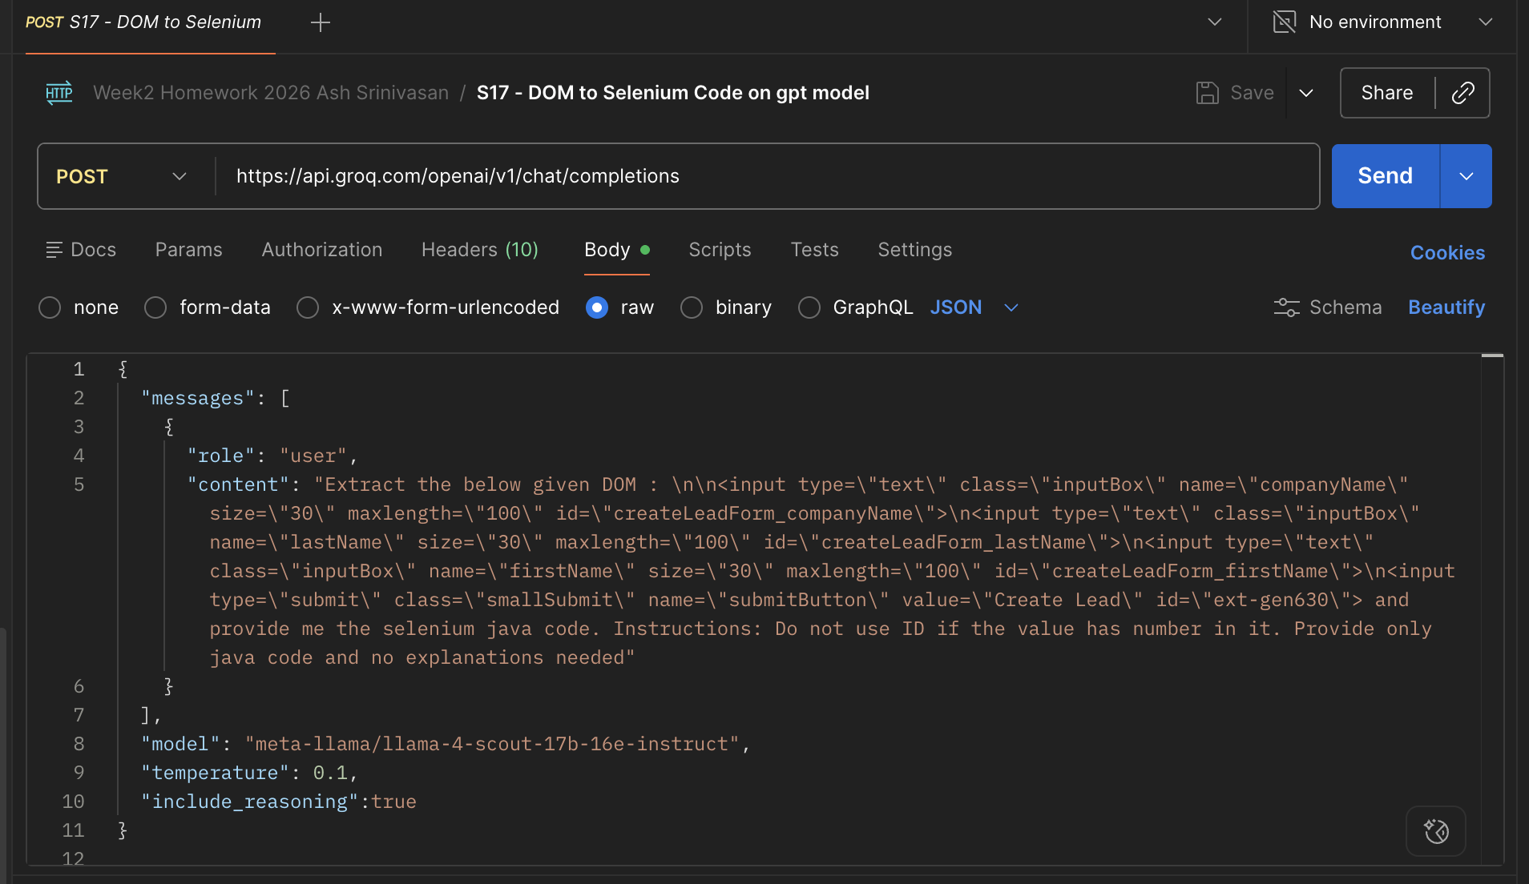

import org.openqa.selenium.By; |  |  | import org.openqa.selenium.By;
import org.openqa.selenium.WebDriver; |  |  | import org.openqa.selenium.WebDriver;
import org.openqa.selenium.WebElement; |  |  | import org.openqa.selenium.WebElement;
import org.openqa.selenium.chrome.ChromeDriver; |  |  | import org.openqa.selenium.chrome.ChromeDriver;

public class Main { |  |  | public class LeadForm {

public static void main(String[] args) { |  |  | public static void main(String[] args) {

System.setProperty("webdriver.chrome.driver", "/path/to/chromedriver"); |  |  | WebDriver driver = new ChromeDriver();
 |  |  | driver.get("URL_OF_THE_PAGE");
WebDriver driver = new ChromeDriver();
driver.get("your_website_url"); |  |  | WebElement companyName =
 |  |  | driver.findElement(By.id("createLeadForm_companyName"));
WebElement companyNameInput = |  |  | WebElement lastName =
driver.findElement(By.name("companyName")); |  |  | driver.findElement(By.id("createLeadForm_lastName"));
WebElement lastNameInput = |  |  | WebElement firstName =
driver.findElement(By.name("lastName")); |  |  | driver.findElement(By.id("createLeadForm_firstName"));
WebElement firstNameInput = |  |  | WebElement submitButton =
driver.findElement(By.name("firstName")); |  |  | driver.findElement(By.xpath("//input[@value='Create Lead']"));
WebElement submitButton =
driver.findElement(By.className("smallSubmit")); |  |  | // Example actions
 |  |  | companyName.sendKeys("Example Company");
companyNameInput.sendKeys("Company Name"); |  |  | lastName.sendKeys("Doe");
lastNameInput.sendKeys("Last Name"); |  |  | firstName.sendKeys("John");
firstNameInput.sendKeys("First Name"); |  |  | submitButton.click();
submitButton.click();
 |  |  | driver.quit();
driver.quit(); |  |  | }
} |  |  | }
}

Observation
Simpler, more generic naming |  |  |  | observation
No reasoning |  |  |  | More stable (IDs + XPath with value)
 |  |  |  | More descriptive class and variable names
 |  |  |  | Reasoning is available and better

multilingual
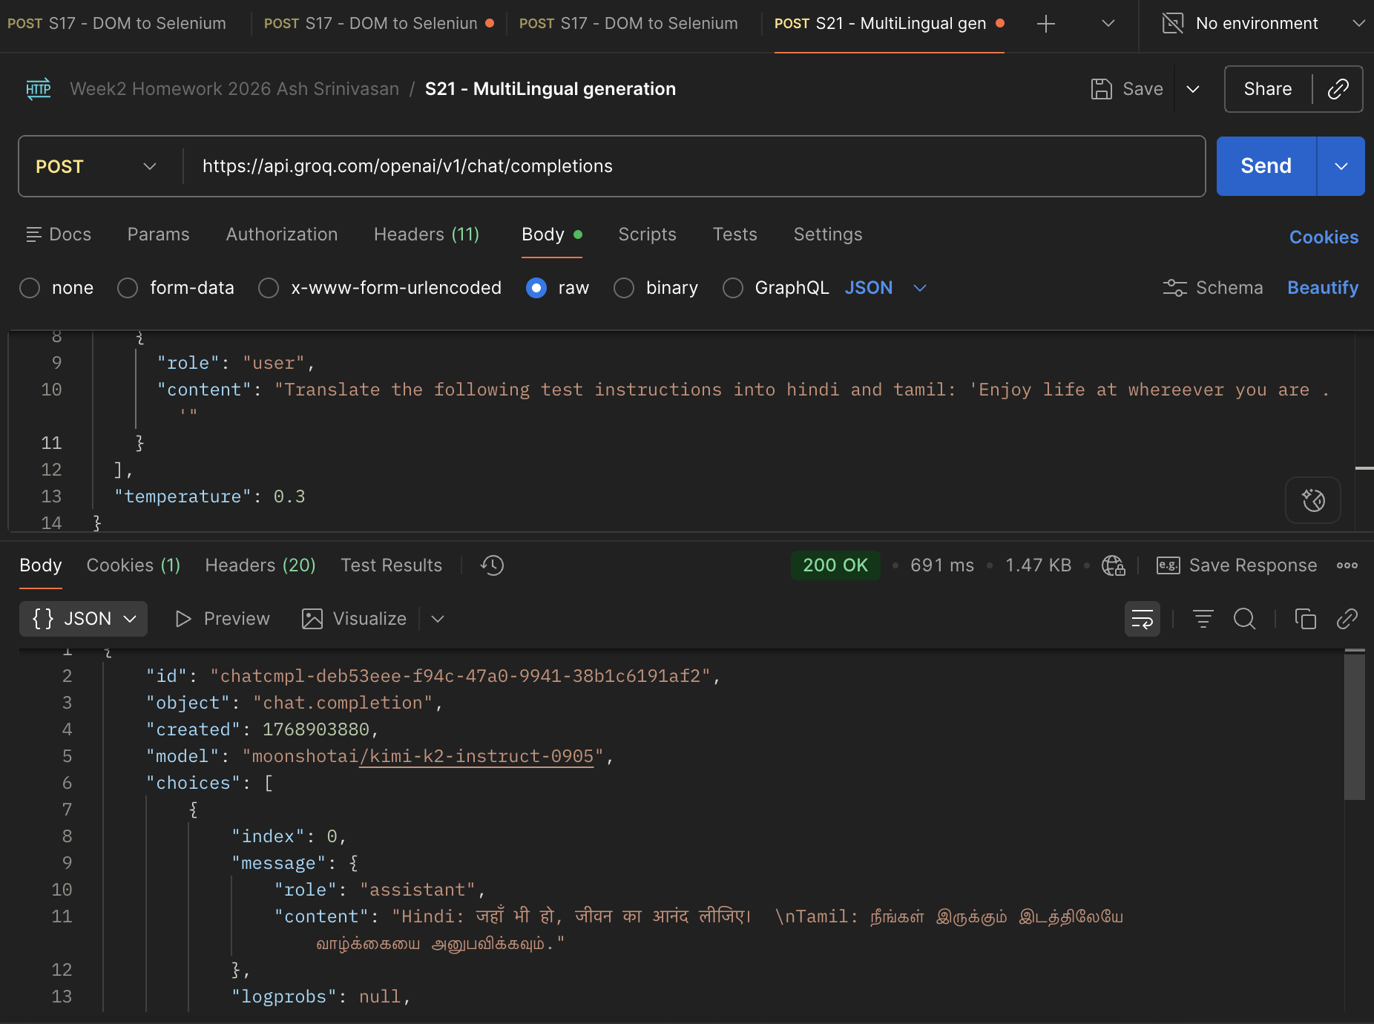
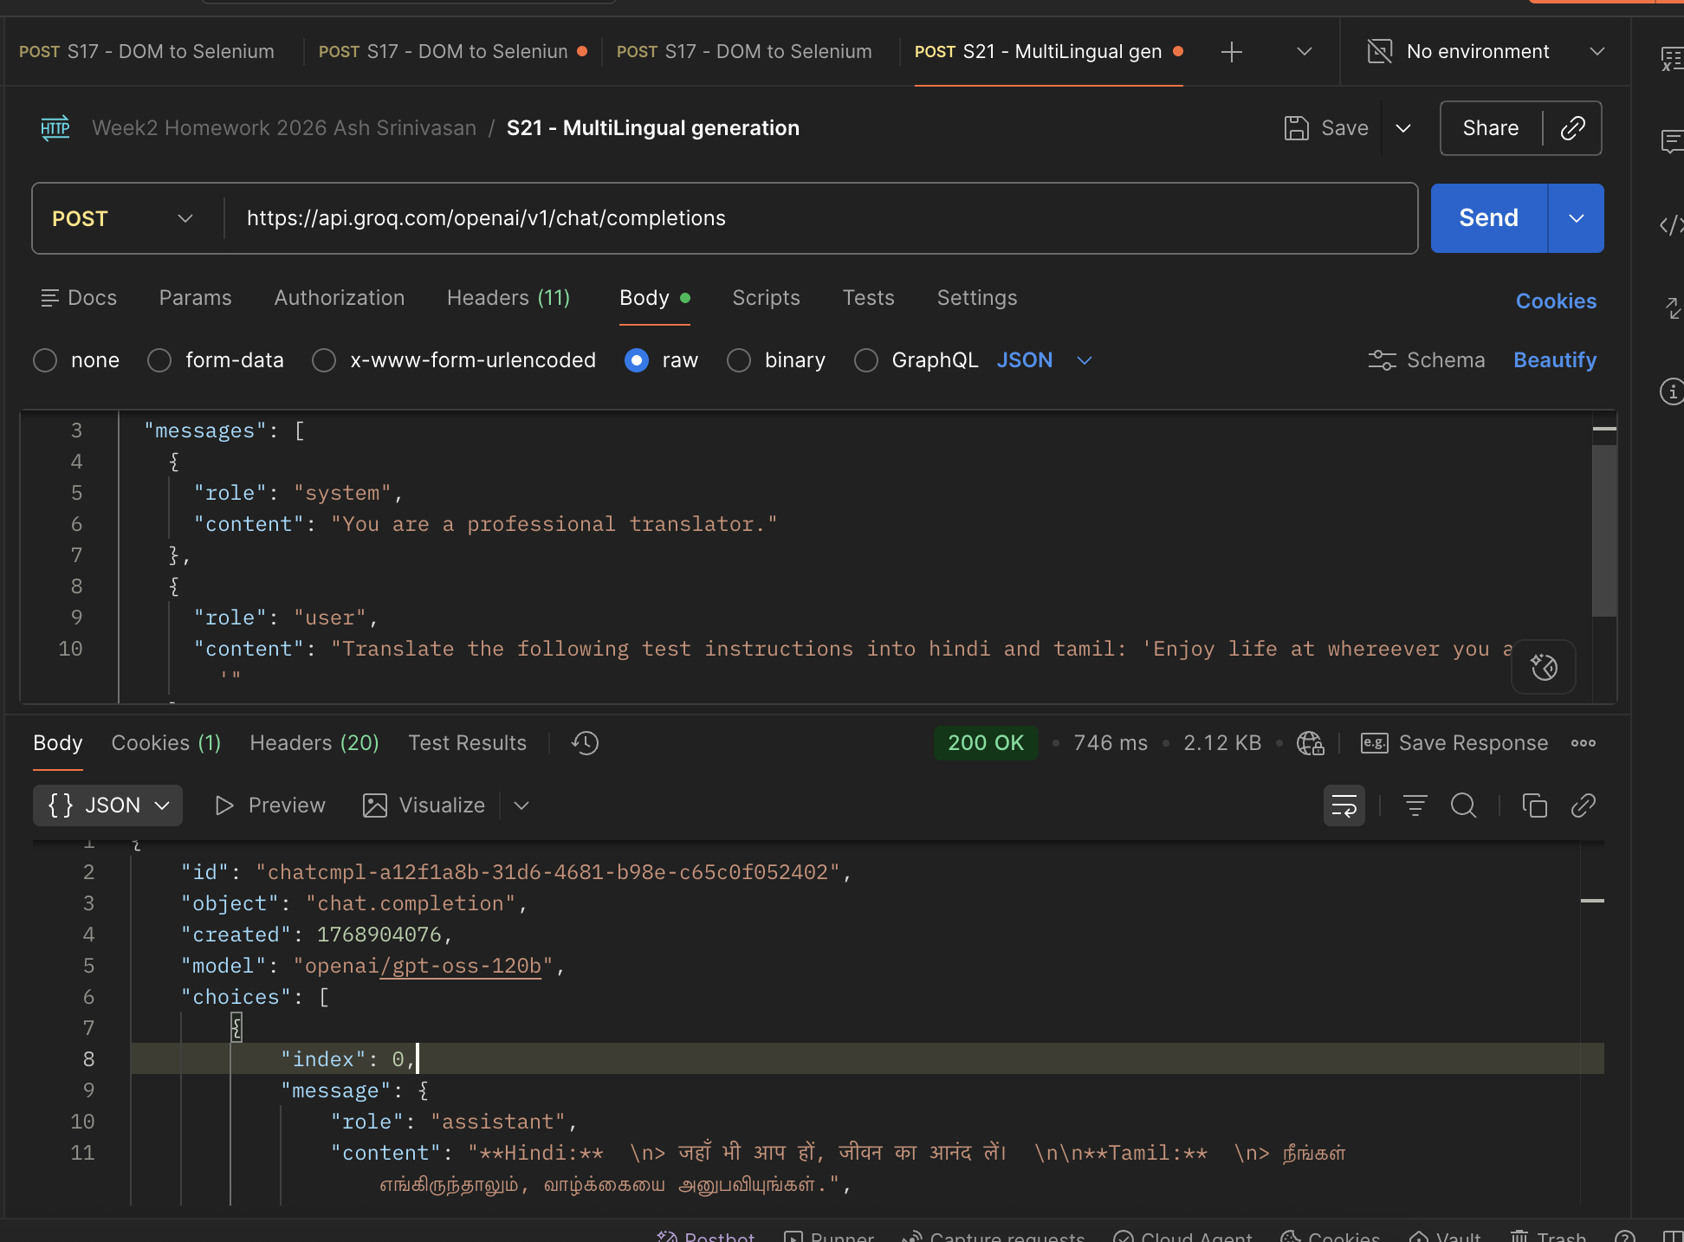
Model : Kimi- instruct | openai/gpt-oss-120b

Transcription
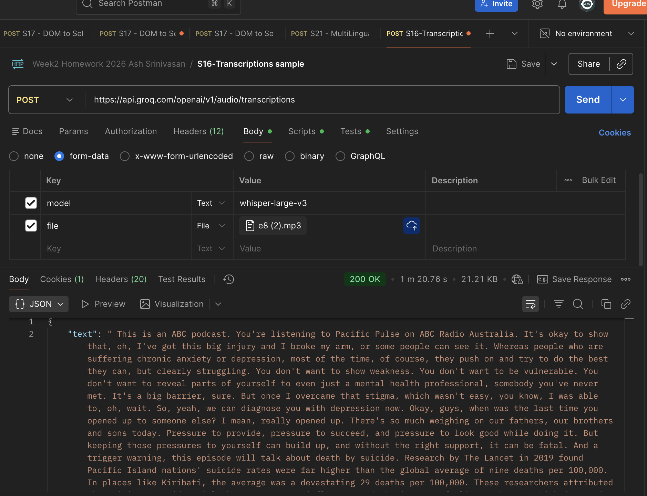
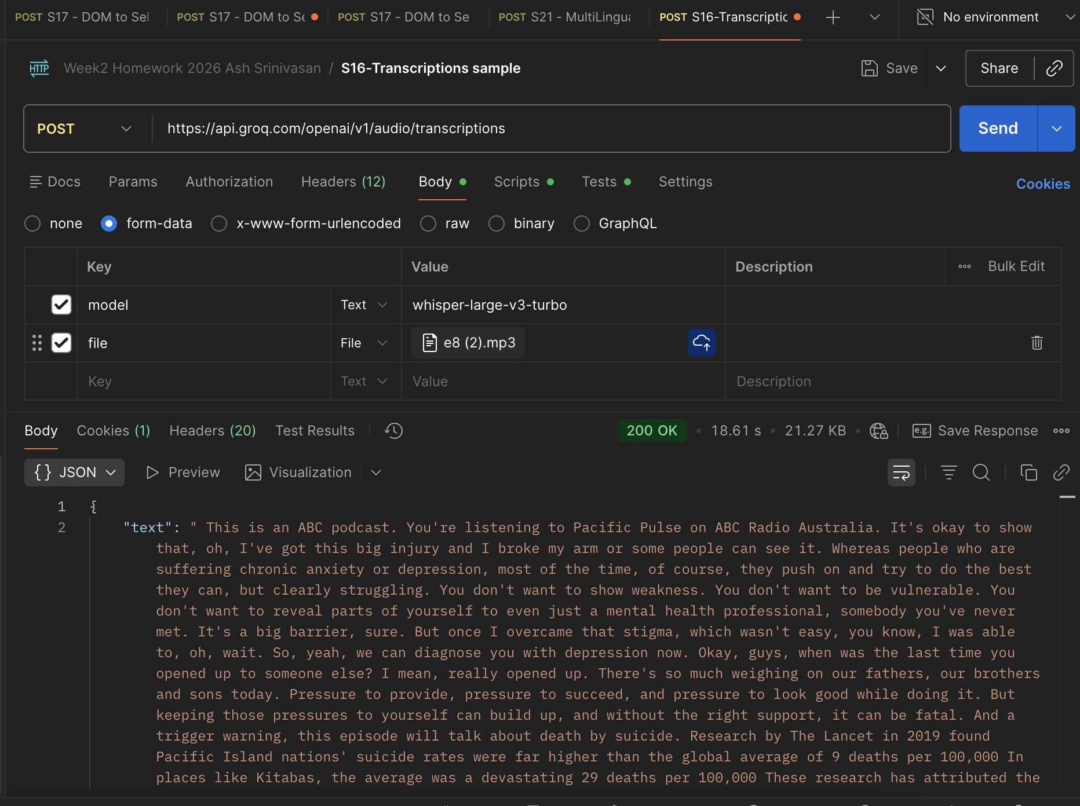
whisper-large-v3 | whisper-large-v3-turbo

image to text
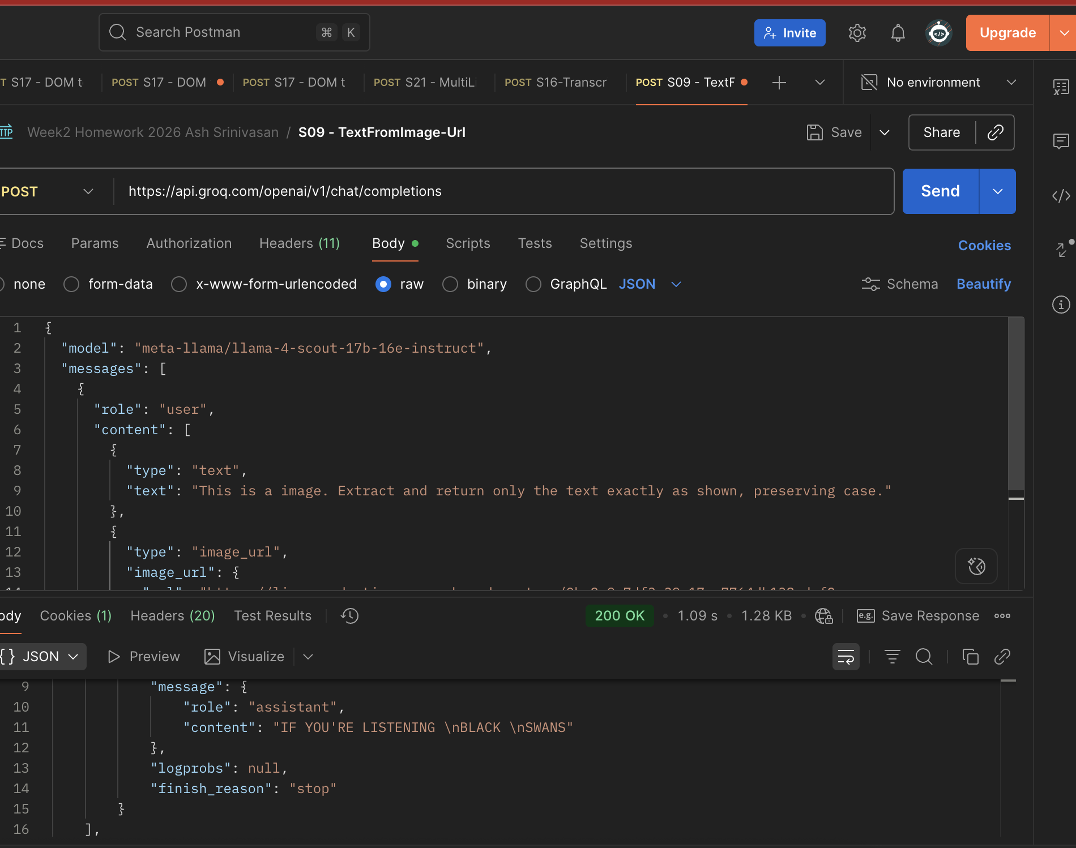


llama scout

